Site audit 1
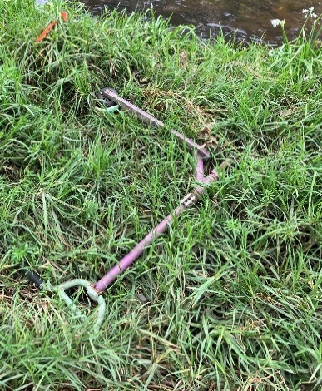
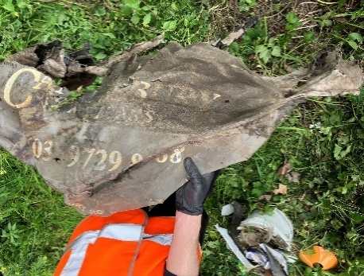
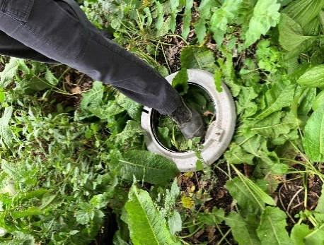
Transept | Length | Area |  | Weather | cloudy but no rain or wind
1 | 8 | 32 |  | Vegetation | quite overgrown, mostly knee height
2 | 9 | 36 |  | Audit date | 2024-09-09
3 | 11 | 44 |  | Time of audit | 2pm
4 | 12 | 48 |  | Last audited | unknown
5 | 11.5 | 46 |  | Auditors | EC | KT | NiM | NuM | QV | MHC

 | total | 206

Photos: | From T3 | Towards T5 |  |  |  | Towards Water |  |  |  |  | Towards T1
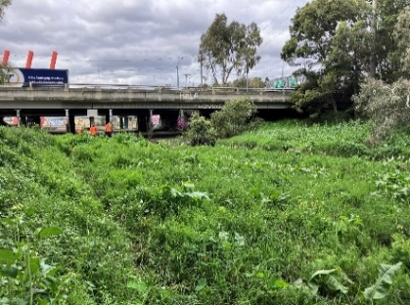
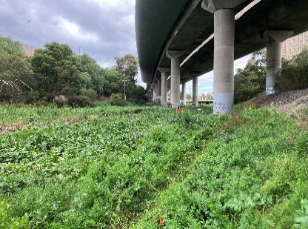
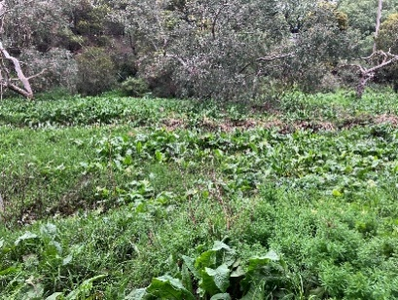

Photos of sort

T1 |  |  | T2 |  | T3 |  |  | T4 |  |  | T5
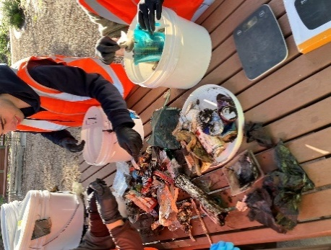
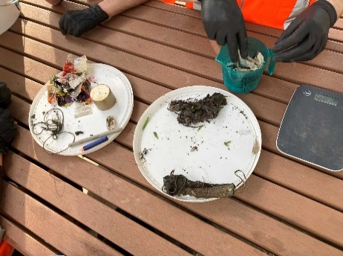

Photos of items left at site

T1 |  |  | T2 |  | T3 |  |  | T4 |  |  | T5

Site audit 2
Transept | Length | Area |  | Weather | Cloudy
1 | 8.2 | 32.8 |  | Vegetation | Mostly knee height
2 | 9.2 | 36.8 |  | Audit date | 2024-09-13
3 | 10.7 | 42.8 |  | Time of audit | 2pm
4 | 12.6 | 50.4 |  | Last audited | 2024-09-09
5 | 15.7 | 62.8 |  | Auditors | EC | KT | MB | CE | ZI | KC

 | total | 225.6

Photos: | From T3 | Towards T5 |  |  |  | Towards Water |  |  |  |  | Towards T1
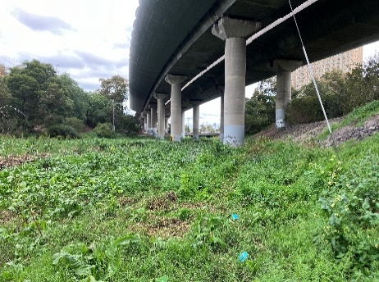
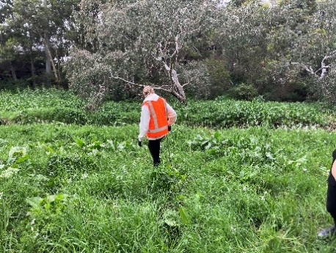
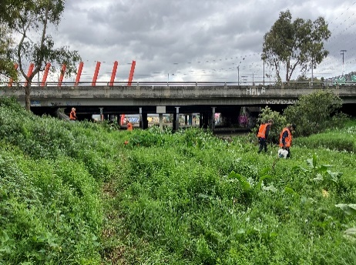

Photos of sort

T1 |  |  | T2 |  | T3 |  |  | T4 |  |  | T5
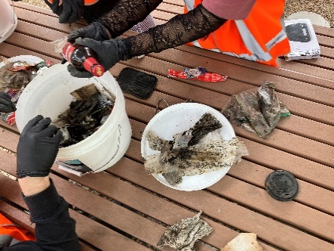
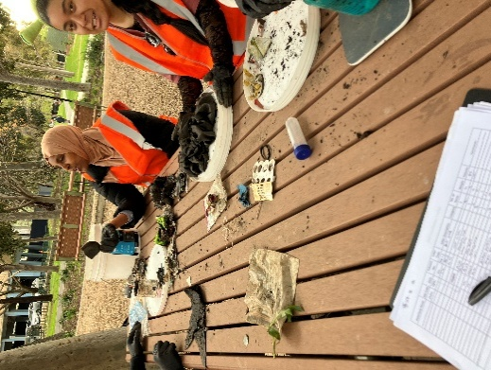

Photos of items left at site

T1 |  |  | T2 |  | T3 |  |  | T4 |  |  | T5

Site audit 3
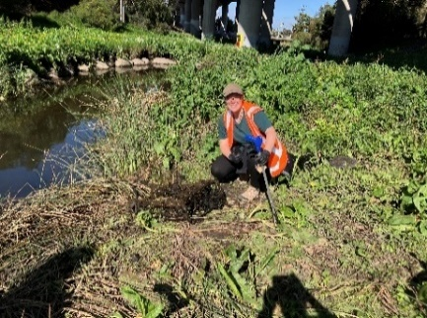
Transept | Length | Area |  | Weather | Sunny and clear
1 | 8.6 | 34.4 |  | Vegetation | Mostly trampled
2 | 9.7 | 38.8 |  | Date of audit | 2024-09-18
3 | 10.6 | 42.4 |  | Time of audit | 8.45am
4 | 13.6 | 54.4 |  | Last audited | 2024-09-13
5 | 15.3 | 61.2 |  | Auditors | EC | AG | LH | CO | JP | JR | CR | ES | WW | NY | BZ

 | total | 231.2

Photos: | From T3 | Towards T5 |  |  |  | Towards Water |  |  |  |  | Towards T1
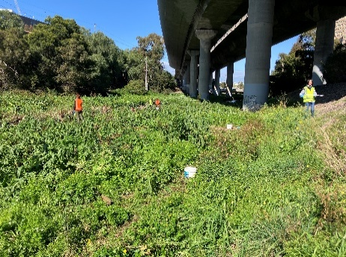
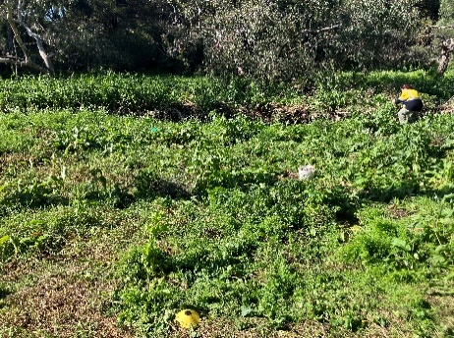
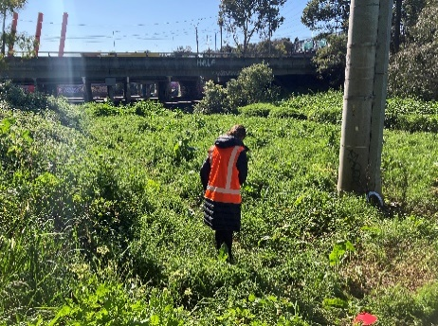

Photos of sort

T1 |  |  | T2 |  | T3 |  |  | T4 |  |  | T5
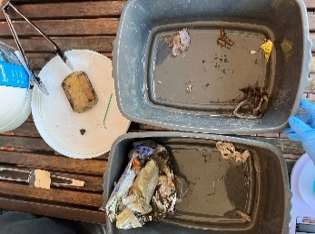
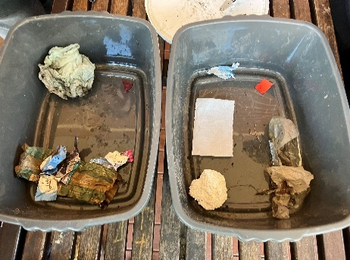
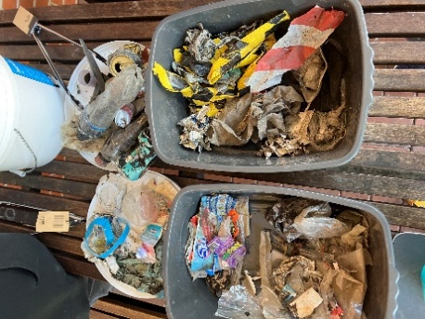
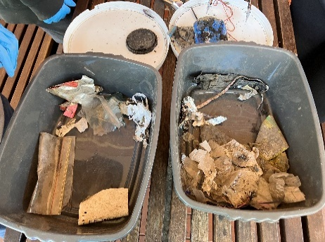
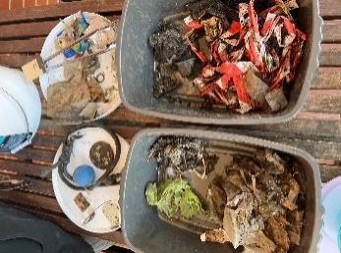

Photos of items left at site

T1 |  |  | T2 |  | T3 |  |  | T4 |  |  | T5

Site audit 4
Transept | Length | Area |  | Weather | Sunny and Clear
1 | 7.8 | 31.2 |  | Vegetation | Somewhat trampled
2 | 9.9 | 39.6 |  | Date of audit | 2024-09-23
3 | 10.7 | 42.8 |  | Time of Audit | 9.45 am
4 | 10.3 | 41.2 |  | Last audited | 2024-09-18
5 | 10.9 | 43.6 |  | Auditors | EC | CA | AB | RC | JH | LK | KM | MW

 | total | 198.4

Photos: | From T3 | Towards T5 |  |  |  | Towards Water |  |  |  |  | Towards T1
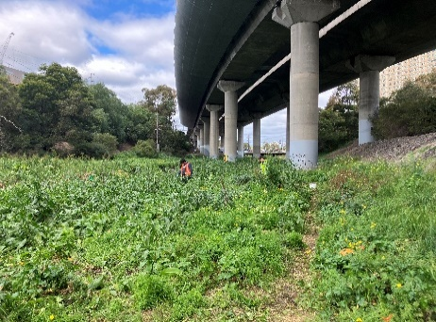
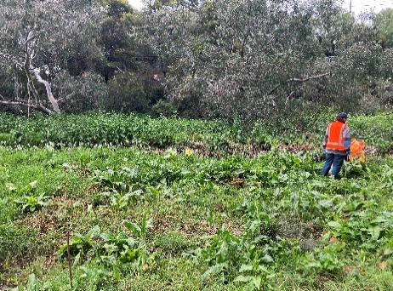
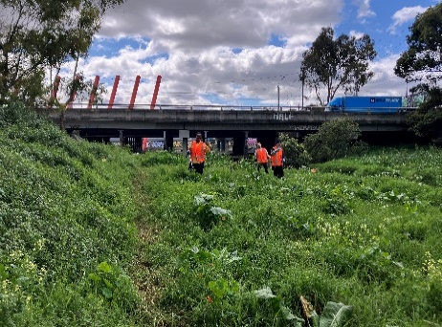

Photos of sort

T1 |  |  | T2 |  | T3 |  |  | T4 |  |  | T5
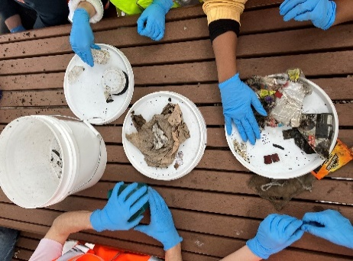
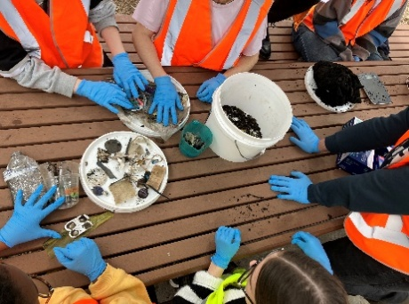
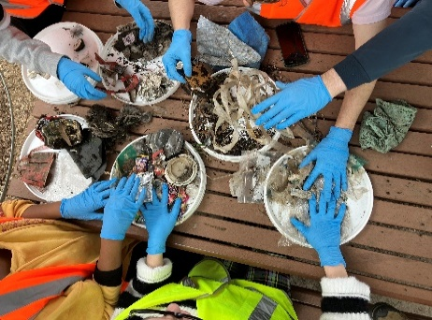

Photos of items left at site |  |  | NONE

T1 |  |  | T2 |  | T3 |  |  | T4 |  |  | T5

